User_Info
account creation time | user name | country/region | id number | mobile number | email | uuid | nationality en
2022-12-04 01:30:22 | 陆俊霖 | 中国 | '422826199403065537 | 17671209715 | 247884267@qq.com | 385148935519484478 | 中国

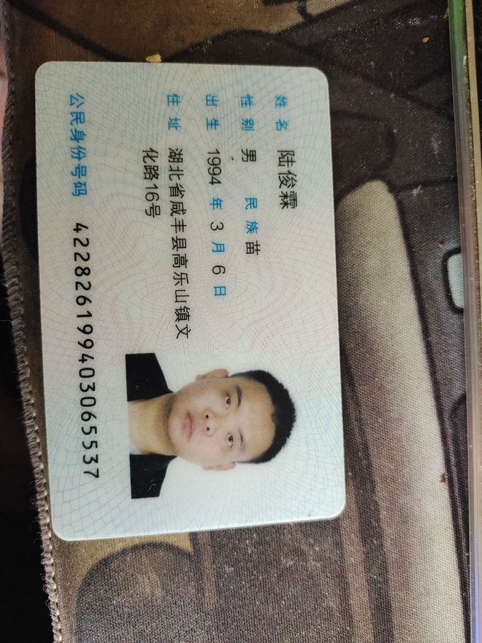
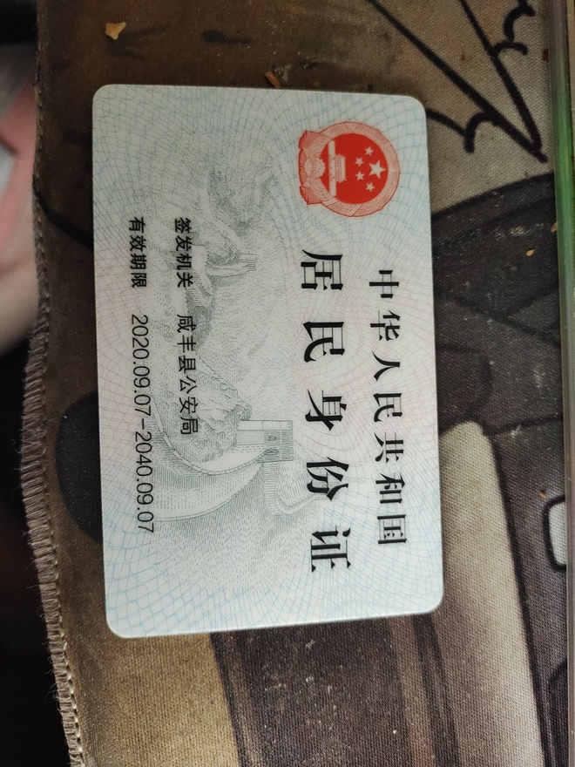




 |  |  |  |  |  |  |  | Account name: 陆俊霖
 |  |  |  |  |  |  |  | Alipay account: 17671376871

 |  |  |  |  |  |  |  | Account name: 陆俊霖
 |  |  |  |  |  |  |  | WeChat account: we247884267
 |  |  |  |  |  |  |  | QR code: https://static.okx.com/cdn/oksupport/c2c/c61ab20d-84a8-4dc7-a1ec-cbc23eae2303.jpg

 |  |  |  |  |  |  |  | Account name: 陆俊霖
 |  |  |  |  |  |  |  | Alipay account: 247884267@qq.com
 |  |  |  |  |  |  |  | QR code: https://static.okx.com/cdn/oksupport/c2c/74f03415-482f-43bd-be62-ca259e3207fc.jpg

